Formulas
Category | Sum | Distinct Emp. | Sum per Emp.
A | 8 | 2 | 4
B | 12 | 1 | 12
Total | 20 | 2 | 10

Total calculated from the aggregates, as sum of column value
Total calculated from the raw data
Total calculated from other totals

Created from Category column on sheet Data using remove duplicates and adding Total row

Pivot without Datamodel
No way to calculate the sum per employee in an Excel Pivot Table without data model.
Zeilenbeschriftungen | Summe von Value | Mittelwert von Value2 | Anzahl von Employee
A | 8 | 2 | 4
B | 12 | 6 | 2
Gesamtergebnis | 20 | 3.3333333333 | 6

Totals are calculated from the raw data, not from the aggregations, even with built-in aggegations of the Pivot Table.

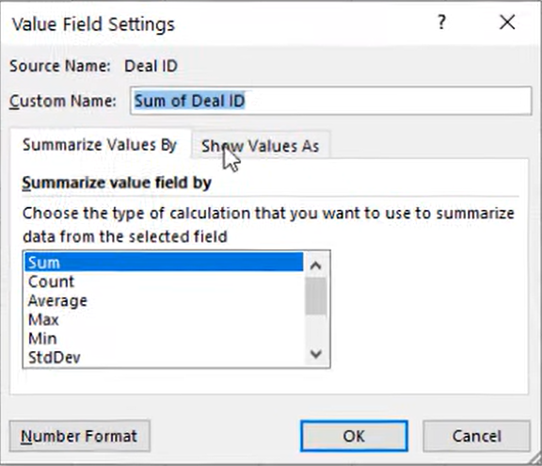

Built-in aggregations

